Parameter& Kernel SVC
 | Some Important Tuning Parameter for SVM(Support Vector MACHINE) |  | REFERENCE

 |  | C: Regularization Parameter→The C parameter tells the SVM optimization how much you want to avoid misclassifying each training example. For large values of C, the optimization will choose a smaller-margin hyperplane if that hyperplane does a better job of getting all the training points classified correctly. Conversely, a very small value of C will cause the optimizer to look for a larger-margin separating hyperplane, even if that hyperplane misclassifies more points. For very tiny values of C, you should get misclassified examples, often even if your training data is linearly separable. Basically C(parameter) MEANS HOW MANY POINTS ARE YOU ALLOWING TO BE WITHIN MARGIN SO IF YOU LET C BE VERY SOMETHING VERY SMALL OR CLOSE TO 0 (ZERO) YOU WILL ALLOW ACTUALLY LOTS OF POINT WITHIN MARGIN (MEANS →THAT MORE POINT ESSENTIALLY MEANS SOFTER & SOFTER CLASSIFIED MARGIN) OTHER WISE IF C IS VERY LARGE THEN THEN LESS NUMBER OF DATA POINT WITHIN THE CLASSIFIED MARGIN. (Relationship→ Basically Relationship of C parameter is inversely proportional to the the amount of data point you actually allow within the margin.) | ⇰REFERENCE (Website)-->Udemy Regarding Thereotical & Conceptual Understanding of Hyper Planes & Margin (Support Vector Margin) SVM

 |  |  | ⇰REFERENCE (Website)-->Udemy Regarding SVM (Support Vector Machine)-> Theory & Kernel Intuition

 |  |  |  | ⇰REFERENCE (Website)-->Scikit Learn Regarding Thereotical & Conceptual Understanding of Hyper Parameter =>Kernel
 |  | →kernel : {'linear', 'poly', 'rbf', 'sigmoid', 'precomputed'} or callable, default='rbf' | Specifies the kernel type to be used in the algorithm. | If none is given, 'rbf' will be used. If a callable is given it is | used to pre-compute the kernel matrix from data matrices; that matrix | should be an array of shape ``(n_samples, n_samples)``.

 |  |  | ⇰REFERENCE (Website)-->Analytics Vidhya Regarding Practical & Conceptual Understanding of Support Vector Machines (SVM)
 |  |  →Linear Kernel--> is used when the data is Linearly separable, that is, it can be separated using a single Line. It is one of the most common kernels to be used. It is mostly used when there are a Large number of Features in a particular Data Set. Ex of Schedule Diagram.

 |  |  | ⇰REFERENCE (Website)-->Medium Regarding Thereotical & Conceptual Understanding of Support Vector Machine (SVM)

 |  |  | ⇰REFERENCE (You Tube)-->Visually Explained Regarding Practical & Conceptual Understanding of Kernel Trick in Support Vector Machine (SVM)

 |  |  | ⇰REFERENCE (Website)-->pycodemates Regarding Thereotical & Practical Implementation of Kernel (Polynomial Function)
 |  | → Poly Kernel (Polynomial) --> The effect of the degree of a polynomial kernel. The polynomial kernel of degree 1 leads to a linear separation (A). Higher-degree polynomial kernels allow a more flexible decision boundary (B,C). The style follows that of Figure 3.E22 The effect of the degree of a polynomial kernel. The polynomial kernel of degree 1 leads to a linear separation (A). Higher-degree polynomial kernels allow a more flexible decision boundary (B,C). The style follows in the given scheduled diagram Basically in Other word Higher the Degree Higher the Flexibility because of Increase in Complexity due to increase in degree there is more curved .. For Further information pl see Colab of Polynomial Regression.

 |  | 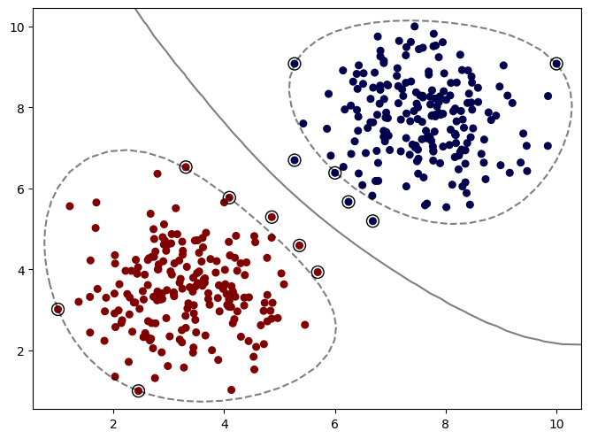 → RBF (Radial Basis Function) Kernel --> The key idea of the RRBF is to extend a one-dimensional parameter to (d)-dimensional parameters by simple modification of the traditional RBF kernel.Why Radial Basis Kernel Is much powerful? The main motive of the kernel is to do calculations in any d-dimensional space where d > 1, so that we can get a quadratic, cubic or any polynomial equation of large degree for our classification/regression line. Since Radial basis kernel uses exponent and as we know the expansion of e^x gives a polynomial equation of infinite power, so using this kernel, we make our regression/classification line infinitely powerful too.Because of That reason we have default option of kernel = 'rbf' . | ⇰REFERENCE (website)--> Geek for Geek Regarding Thereotical & Conceptual Understanding of Kernel (RBF) Radial Basis Function

 |  |  | ⇰REFERENCE (Website)-->Analytics Vidhya Regarding Practical & Conceptual Understanding of Support Vector Machines (SVM)
 |  | ↑Following Things we can learn from RBF Plot↑-->1. Margin is actually surrounding the cluster of different classes we can get a much more specific and hopefully a better fit to the data with a radial basis function . As we know C is regularization parameter & The smaller it is More points will be allow within the margin . So we can see that we have the margin surrounding our clusters and then the points outside the margin are the support vectors . → Gamma and C values are key hyperparameters that can be used to train the most optimal SVM model using RBF kernel. → GAMMA --> parameter defines how far the influence of a single training example reaches, with low values meaning 'far' and high values meaning 'close'. →Higher value of gamma will mean that radius of influence is limited to only support vectors. This would essentially mean that the model tries and overfit. The model accuracy lowers with the increasing value of gamma.The lower value of gamma will mean that the data points have very high radius of influence. This would also result in model having lower accuracy. →It is the intermediate value of gamma which results in a model with optimal accuracy. We can understand with the help of Diagram Regarding gamma (Parameter) .

 |  |  | ⇰REFERENCE (Website)-->Medium Regarding Thereotical & Conceptual Understanding of Support Vector Machine (SVM)

s

 |  | 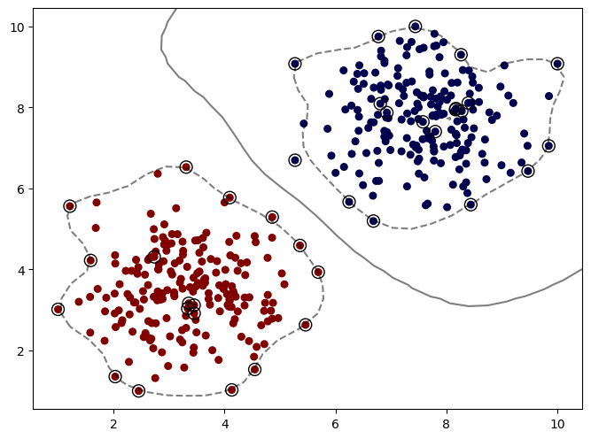 →What happen if Gamma = Auto Value (Basically) We can see that It start to pick up lot more noise from these support vectors . Basically Gamma Defines basically How much influence a single training example has . So basically ot satring fitting more & more to these support vectorswhich create a sense of overfitting.

 |  | 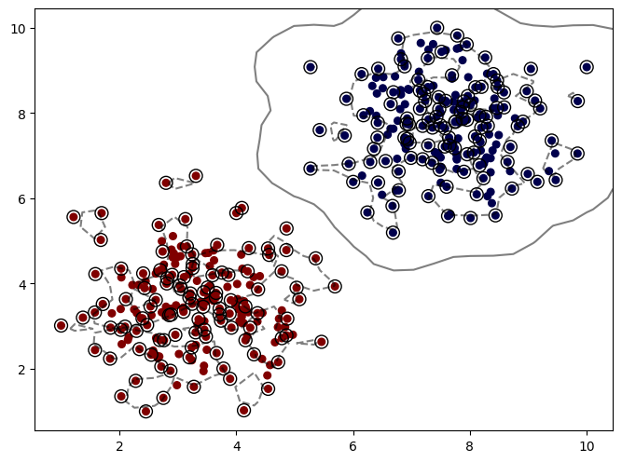 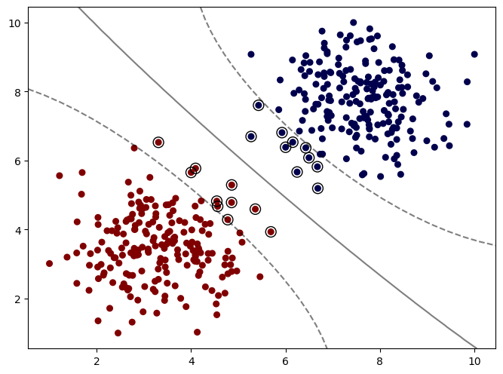 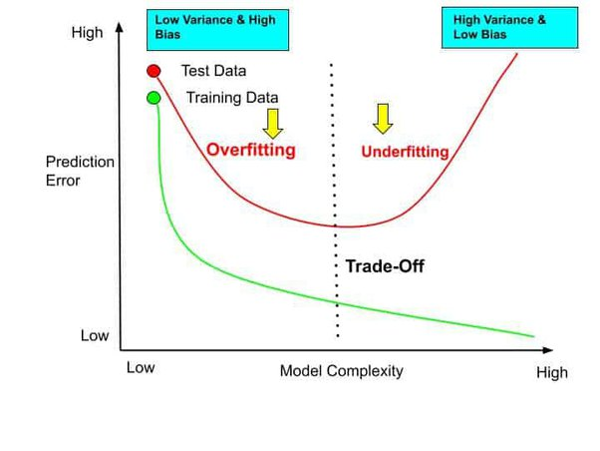 →What happen if Gamma value turn out to be extreme(High) = Extreme(High Value of Gamma That Margin is picking up tons of Information Essentially Overfitting Your Data That 's what happen when gamma increases more & more influence per support vector increases On the Contrary If Gamma Value Extreme (Low) Then it is basically like polynomial kernel at degree =2 or 3 pl see the colab where margin is relatively curved not in the form of cluster so by default GAMMA = SCALE IS BEST BECAUSE GOING NEITHER EXTREME (HIGH) OR (LOW) WILL BE GOOD At Gamma = Scale is best becauseWhat happen if Gamma value = 'Scale' . SCALE Is Basically in terms of BIAS - VARIANCE TRADEOFF --> GAMMA--> SCALE VALUES IS MOST APPROPRIATE BECAUSE OF IT'S BALANCED APPROACH IN REGARDS TO BIAS -VARIANCE TRADEOFF IT's neither overfitted in terms in terms of (poly - where degree is increased alongwith the complexity ) nor underfitted so there is error prediction. that's why of BIAS - VARIANCE TRADEOFF(see below image) At GAMMA= AUTO THERE IS LOT MORE NOISE IS INVOLVED & LOT MORE OVERFITTING WHICH YIELD WRONG PREDICTION ON THE OTHER HAND IN GAMMA = SCALE It is at perfect point where there is not much overfitting neither underfitting just see the image of BIAS -VARIANCE TRADEOFF (at tradeoff point ) Scale is reckoned at this point (THhat's why ono overfitting no underfitting ) very converged & optimized tradeoff .

 |  | 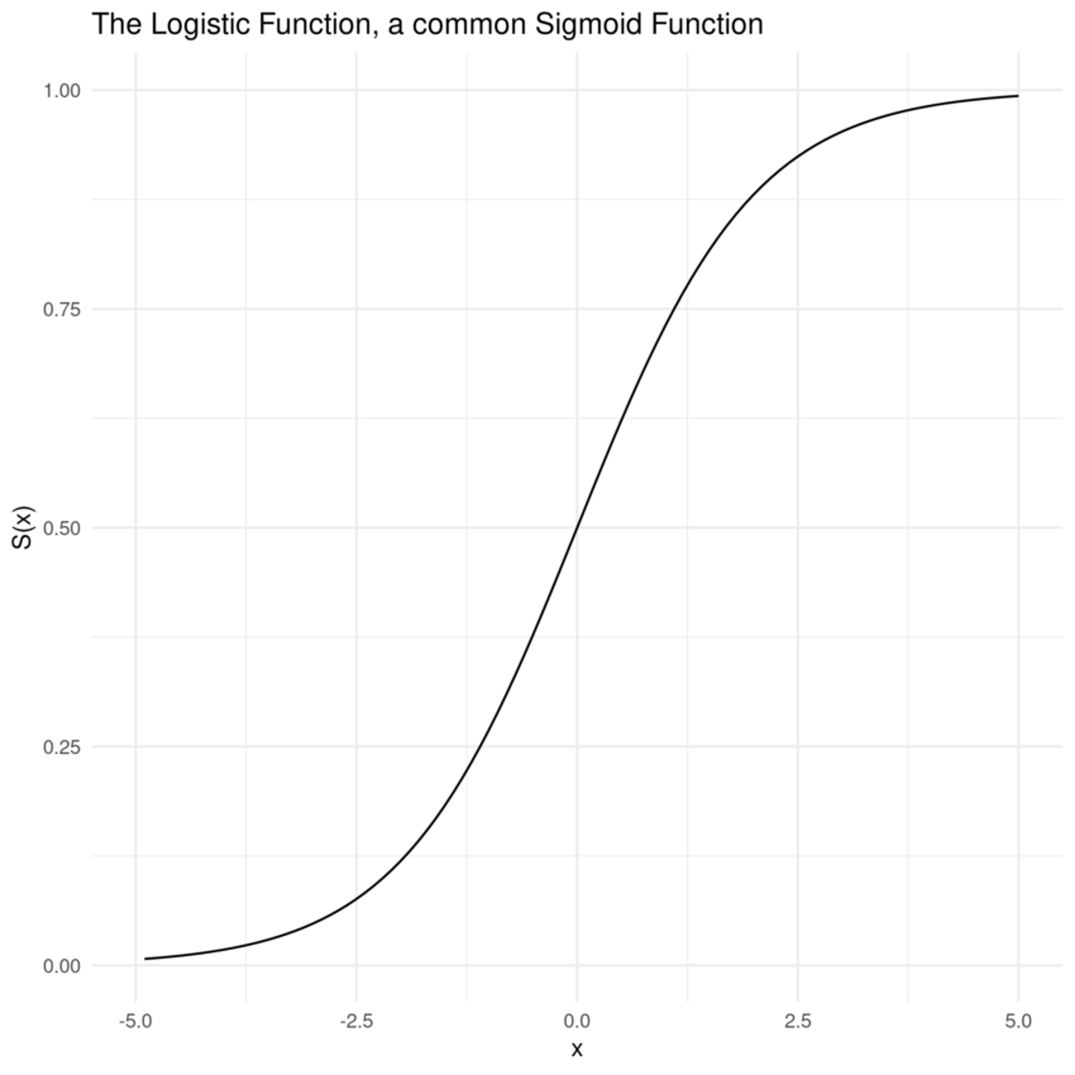 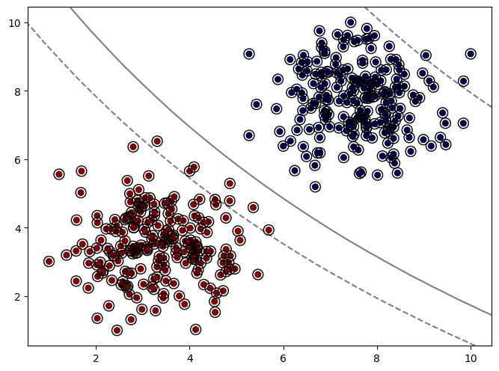 →SIGMOID KERNEL FUNCTION --> A Sigmoid function is a mathematical function which has a characteristic S-shaped curve. There are a number of common sigmoid functions, such as the logistic function, the hyperbolic tangent, and the arctangent. In machine learning, the termSigmoid function is normally used to refer specifically to the logistic function, also called the logistic sigmoid function.All sigmoid functions have the property that they map the entire number line into a small range such as between 0 and 1, or -1 and 1, so one use of a sigmoid function is to convert a real value into one that can be interpreted as a probability.much almost all the points are actually being highlighted as support vectors, which means for this particular dataset, I would definitely not recommend the sigmoid kernel because it's relying on evenpoints that are exactly at the center of the classes to have information of where the margins should go .

Parameter & Kernel SVR & Margin
SVR(SUPPORT VECTOR REGRESSION)

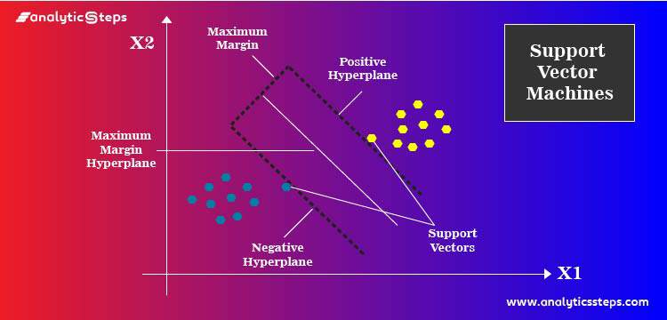 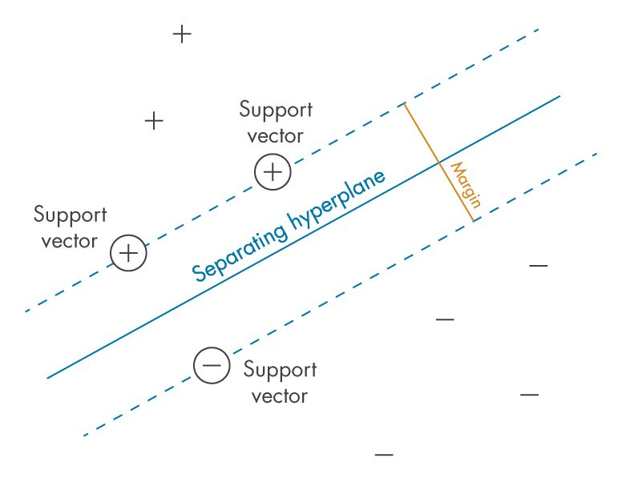 What is Margin ? Margin: it is the distance between the hyperplane (Positive & Negative) and the observations closest to the hyperplane (support vectors). In SVM large margin is considered a good margin .

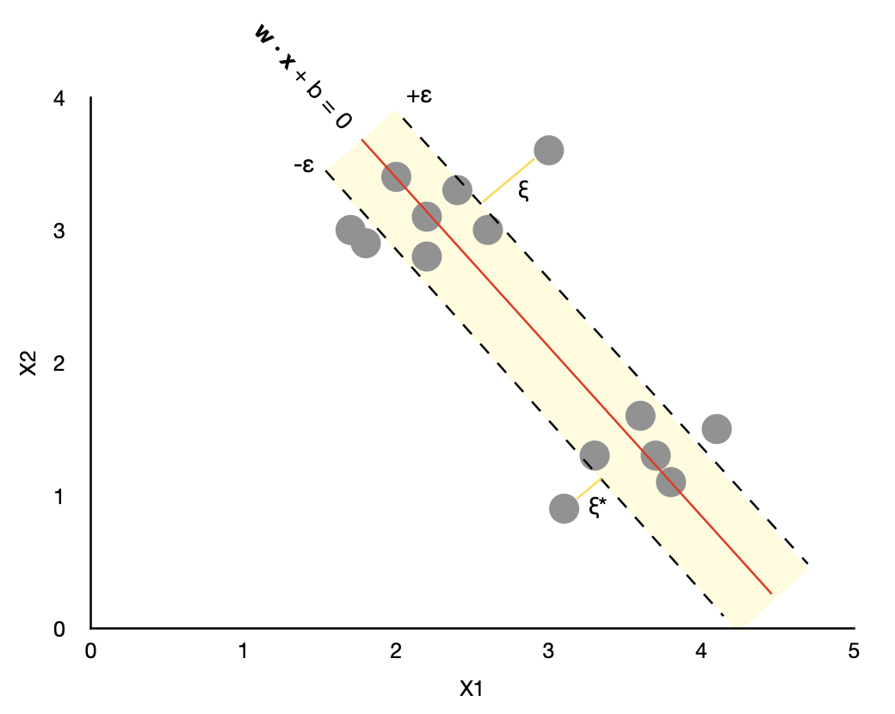 In general, SVR is quite similar to SVM, but there are some notable differences: →SVR has an additional tunable parameter ε (epsilon). The value of epsilon determines the width of the tube around the estimated function (hyperplane). Points that fall inside this tube are considered as correct predictions and are not penalized by the algorithm.Finally, “slack” (ξ ) measures the distance to points outside the tube, and you can control how much you care about it by tuning a regularization parameter C (more about it in the Python section below). Basically in Other Word Epsilon in SVR Create a narrow passage of around the 2 sets of different classification of data . That's why it creates negative eps & positive eps value Higher the EPS higher, greater will be Thickness of Passage & if any data points falls in between that it count as correct prediction from that classified group of data points & fro other side too . (Note--> Epsilon in SVR Is different that Epsilon in LASSO&ELASTIC net regularization)Pl see diagram .

